analysis
Row Labels | Sum of finalWorth | Row Labels | Count of Age | Row Labels | Count of personName | Row Labels | Sum of finalWorth
Bernard Arnault & family | 211000 | 30-40 | 5 | United States | 190 | Technology | 1299800
Elon Musk | 180000 | 40-50 | 30 | China | 73 | Fashion & Retail | 1160200
Jeff Bezos | 114000 | 50-60 | 77 | United Kingdom | 22 | Finance & Investments | 882000
Larry Ellison | 107000 | 60-70 | 131 | Germany | 20 | Food & Beverage | 567800
Warren Buffett | 106000 | 70-80 | 118 | India | 20 | Diversified | 492400
Bill Gates | 104000 | 80-90 | 85 | Switzerland | 18 | Manufacturing | 423400
Michael Bloomberg | 94500 | 90-100 | 29 | Russia | 17 | Automotive | 397200
Carlos Slim Helu & family | 93000 | Grand Total | 475 | France | 16 | Metals & Mining | 315300
Mukesh Ambani | 83400 |  |  | Australia | 8 | Energy | 294600
Steve Ballmer | 80700 |  |  | Singapore | 7 | Healthcare | 263500
Grand Total | 1173600 |  |  | Italy | 7 | Grand Total | 6096200
 |  |  |  | Grand Total | 398
Top 10 Miilionaires
Billionaires By Age
Countries with Most Billionaires
Top Industry

Dashboard
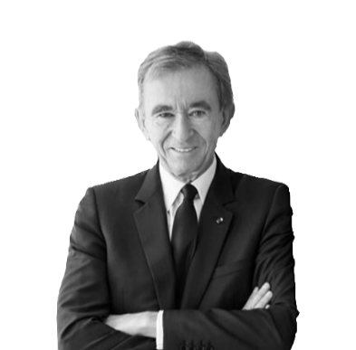
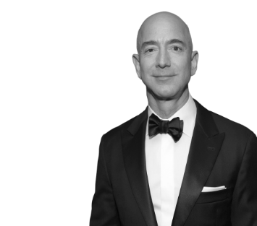
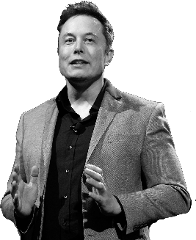
Global Wealth Analysis

7.04 Quadrillion Dollars
476 Person
Technology
TOTAL WEALTH
NUMBER OF BILLIONAIRES
TOP INDUSTRY

Top 10 Miilionaires
 | Total
Bernard Arnault & family | 211000
Elon Musk | 180000
Jeff Bezos | 114000
Larry Ellison | 107000
Warren Buffett | 106000
Bill Gates | 104000
Michael Bloomberg | 94500
Carlos Slim Helu & family | 93000
Mukesh Ambani | 83400
Steve Ballmer | 80700
Countries with Most Billionaires
 | Total
United States | 190
China | 73
United Kingdom | 22
Germany | 20
India | 20
Switzerland | 18
Russia | 17
France | 16
Australia | 8
Singapore | 7
Italy | 7
Billionaires By Their NetWorth |  | Countries with Most Billionaires
Name | NetWorth | Country | No. of Billionaires
Bernard Arnault & family | 211000 | United States | 190
Elon Musk | 180000 | China | 73
Jeff Bezos | 114000 | United Kingdom | 22
Larry Ellison | 107000 | Germany | 20
Warren Buffett | 106000 | India | 20
Bill Gates | 104000 | Switzerland | 18
Michael Bloomberg | 94500 | Russia | 17
Carlos Slim Helu & family | 93000 | France | 16
Mukesh Ambani | 83400 | Australia | 8
Steve Ballmer | 80700 | Singapore | 7
Grand Total | 1173600 | Italy | 7
 |  | Grand Total | 398
Billionaires By Age
 | Total
30-40 | 5
40-50 | 30
50-60 | 77
60-70 | 131
70-80 | 118
80-90 | 85
90-100 | 29
Top Industries
 | Total
Technology | 1299800
Fashion & Retail | 1160200
Finance & Investments | 882000
Food & Beverage | 567800
Diversified | 492400
Manufacturing | 423400
Automotive | 397200
Metals & Mining | 315300
Energy | 294600
Healthcare | 263500
Billionaires By Their Age |  | Top 10 Industries
Range of Age | Count | Industry | Sum of Final Wealth
30-40 | 5 | Technology | 1299800
40-50 | 30 | Fashion & Retail | 1160200
50-60 | 77 | Finance & Investments | 882000
60-70 | 131 | Food & Beverage | 567800
70-80 | 118 | Diversified | 492400
80-90 | 85 | Manufacturing | 423400
90-100 | 29 | Automotive | 397200
Grand Total | 475 | Metals & Mining | 315300
 |  | Energy | 294600
 |  | Healthcare | 263500
 |  | Grand Total | 6096200

